Calculations
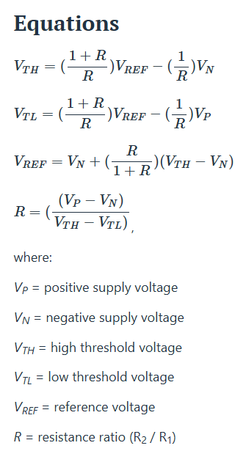
Vp | 3.3
Vn | 0
VTH | 1.2
VTL | 1
Vref | 1.1314285714
R1 | 1000
R2 | 16500
R | 16.5

R3 | 3300
R4 | 1500
Vref | 1.03125

